GPS1
Raw | Flags
12 | 0 | GPS Eval. | Building name: | Adelheid Str 13 A
12 | 0 |  | GPS 1
12 | 0
16 | 0
16 | 0
8 | 0
12 | 0
12 | 0
12 | 0
12 | 0 |  | n=367 |  | indoor | outdoor | SUM
16 | 0 |  |  |  | T | F
16 | 0 |  | indoor | T | 119 | 0 | 119
8 | 0 |  | outdoor | F | 15 | 233 | 248
12 | 0 |  | SUM |  | 134 | 233
12 | 0 |  |  |  |  |  |  | sum | 367
12 | 0
12 | 0
12 | 0 |  | Accuracy indoor | 100
12 | 0 |  | Accuracy outdoor | 93.951612903
8 | 0
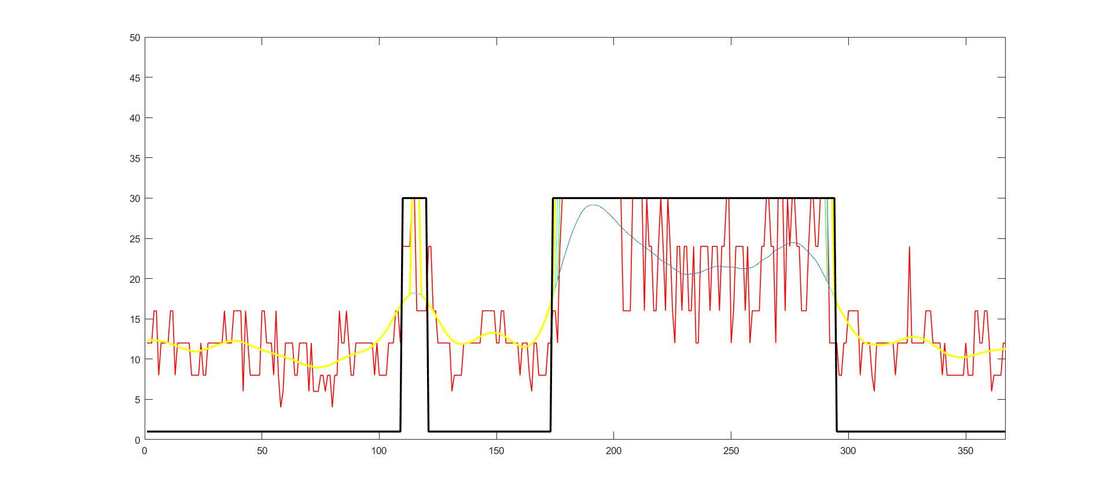
8 | 0
8 | 0
8 | 0
12 | 0
8 | 0
8 | 0
12 | 0
12 | 0
12 | 0
12 | 0
12 | 0
12 | 0
12 | 0
16 | 0
12 | 0
12 | 0
12 | 0
16 | 0
16 | 0
16 | 0
16 | 0
6 | 0
16 | 0
12 | 0
8 | 0
8 | 0
8 | 0
8 | 0
8 | 0
16 | 0
16 | 0
12 | 0
12 | 0
12 | 0
8 | 0
16 | 0
8 | 0
4 | 0
6 | 0
12 | 0
12 | 0
12 | 0
12 | 0
8 | 0
8 | 0
12 | 0
12 | 0
12 | 0
12 | 0
6 | 0
12 | 0
6 | 0
6 | 0
6 | 0
8 | 0
8 | 0
6 | 0
8 | 0
8 | 0
4 | 0
8 | 0
8 | 0
16 | 0
12 | 0
12 | 0
16 | 0
12 | 0
8 | 0
8 | 0
12 | 0
12 | 0
12 | 0
12 | 0
12 | 0
12 | 0
12 | 0
12 | 0
8 | 0
12 | 0
8 | 0
8 | 0
8 | 0
8 | 0
12 | 0
12 | 0
12 | 0
16 | 0
16 | 0
12 | 0
24 | 1
24 | 1
24 | 1
24 | 1
32 | 1
32 | 1
16 | 1
16 | 1
16 | 1
16 | 1
16 | 1
24 | 1
24 | 0
16 | 0
16 | 0
12 | 0
12 | 0
12 | 0
12 | 0
12 | 0
12 | 0
6 | 0
8 | 0
8 | 0
8 | 0
8 | 0
12 | 0
12 | 0
12 | 0
12 | 0
12 | 0
12 | 0
12 | 0
12 | 0
16 | 0
16 | 0
16 | 0
16 | 0
16 | 0
16 | 0
12 | 0
12 | 0
16 | 0
16 | 0
12 | 0
12 | 0
12 | 0
12 | 0
12 | 0
12 | 0
8 | 0
12 | 0
12 | 0
12 | 0
8 | 0
6 | 0
12 | 0
12 | 0
8 | 0
8 | 0
8 | 0
8 | 1
12 | 1
12 | 1
16 | 1
16 | 1
12 | 1
24 | 1
40 | 1
40 | 1
40 | 1
40 | 1
40 | 1
40 | 1
40 | 1
40 | 1
40 | 1
40 | 1
40 | 1
40 | 1
40 | 1
40 | 1
40 | 1
40 | 1
40 | 1
40 | 1
40 | 1
40 | 1
40 | 1
40 | 1
40 | 1
40 | 1
40 | 1
32 | 1
16 | 1
16 | 1
16 | 1
16 | 1
40 | 1
40 | 1
40 | 1
40 | 1
40 | 1
16 | 1
32 | 1
24 | 1
24 | 1
16 | 1
16 | 1
24 | 1
40 | 1
24 | 1
16 | 1
32 | 1
24 | 1
16 | 1
12 | 1
24 | 1
24 | 1
16 | 1
24 | 1
24 | 1
16 | 1
16 | 1
24 | 1
12 | 1
12 | 1
24 | 1
24 | 1
24 | 1
24 | 1
16 | 1
24 | 1
24 | 1
24 | 1
16 | 1
24 | 1
24 | 1
32 | 1
32 | 1
12 | 1
16 | 1
24 | 1
24 | 1
24 | 1
24 | 1
16 | 1
24 | 1
12 | 1
16 | 1
16 | 1
16 | 1
16 | 1
24 | 1
24 | 1
32 | 1
40 | 1
24 | 1
24 | 1
12 | 1
32 | 1
32 | 1
32 | 1
16 | 1
32 | 1
24 | 1
32 | 1
32 | 1
24 | 1
24 | 1
16 | 1
16 | 1
16 | 1
24 | 1
40 | 1
40 | 1
24 | 1
24 | 1
40 | 1
40 | 1
40 | 1
32 | 1
12 | 1
12 | 1
12 | 1
12 | 1
8 | 1
8 | 1
12 | 0
12 | 0
16 | 0
16 | 0
16 | 0
16 | 0
16 | 0
8 | 0
12 | 0
12 | 0
12 | 0
12 | 0
8 | 0
6 | 0
12 | 0
12 | 0
12 | 0
12 | 0
12 | 0
12 | 0
12 | 0
12 | 0
8 | 0
12 | 0
12 | 0
12 | 0
12 | 0
12 | 0
24 | 0
12 | 0
12 | 0
12 | 0
12 | 0
12 | 0
12 | 0
16 | 0
16 | 0
16 | 0
12 | 0
12 | 0
12 | 0
12 | 0
8 | 0
12 | 0
8 | 0
8 | 0
8 | 0
8 | 0
8 | 0
8 | 0
8 | 0
8 | 0
12 | 0
8 | 0
8 | 0
8 | 0
16 | 0
16 | 0
12 | 0
12 | 0
16 | 0
16 | 0
12 | 0
6 | 0
8 | 0
8 | 0
8 | 0
8 | 0
12 | 0
12 | 0

GPS2
Raw | Flags
8 | 0 | GPS Eval. | Building name: | Adelheid Str 13 A
30 | 0 |  | GPS 2
12 | 0
24 | 0
24 | 0
16 | 0
24 | 0
16 | 0
16 | 0
16 | 0 |  | n=432 |  | indoor | outdoor | SUM
16 | 0 |  |  |  | T | F
16 | 0 |  | indoor | T | 237 | 11 | 248
8 | 0 |  | outdoor | F | 5 | 179 | 184
8 | 0 |  | SUM |  | 242 | 190
8 | 0 |  |  |  |  |  |  | sum | 432
8 | 0
8 | 0
6 | 0 |  | Accuracy indoor | 95.564516129
8 | 0 |  | Accuracy outdoor | 97.282608696
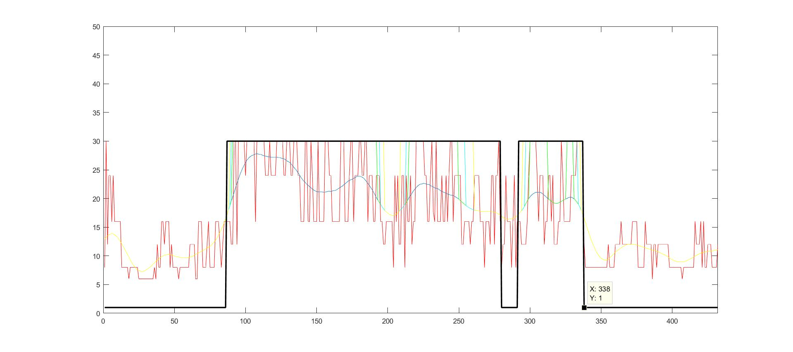
8 | 0
8 | 0
8 | 0
8 | 0
8 | 0
6 | 0
6 | 0
6 | 0
6 | 0
6 | 0
6 | 0
6 | 0
6 | 0
6 | 0
6 | 0
6 | 0
8 | 0
6 | 0
12 | 0
8 | 0
8 | 0
16 | 0
16 | 0
12 | 0
16 | 0
16 | 0
16 | 0
8 | 0
12 | 0
8 | 0
8 | 0
8 | 0
8 | 0
6 | 0
8 | 0
8 | 0
8 | 0
8 | 0
8 | 0
8 | 0
8 | 0
12 | 0
12 | 0
12 | 0
12 | 0
6 | 0
6 | 0
16 | 0
16 | 0
16 | 0
8 | 0
8 | 0
8 | 0
12 | 0
16 | 0
8 | 0
8 | 0
8 | 0
8 | 0
16 | 0
16 | 0
16 | 0
12 | 0
8 | 0
12 | 0
16 | 0
16 | 0
16 | 1
16 | 1
16 | 1
12 | 1
12 | 1
30 | 1
30 | 1
12 | 1
30 | 1
30 | 1
30 | 1
30 | 1
30 | 1
24 | 1
30 | 1
30 | 1
30 | 1
30 | 1
30 | 1
30 | 1
16 | 1
30 | 1
30 | 1
30 | 1
30 | 1
30 | 1
30 | 1
24 | 1
24 | 1
24 | 1
30 | 1
24 | 1
24 | 1
24 | 1
24 | 1
30 | 1
30 | 1
30 | 1
30 | 1
30 | 1
24 | 1
24 | 1
30 | 1
30 | 1
30 | 1
24 | 1
24 | 1
30 | 1
30 | 1
30 | 1
24 | 1
24 | 1
16 | 1
16 | 1
16 | 1
30 | 1
30 | 1
16 | 1
16 | 1
30 | 1
24 | 1
16 | 1
16 | 1
16 | 1
30 | 1
16 | 1
16 | 1
16 | 1
16 | 1
30 | 1
30 | 1
30 | 1
24 | 1
24 | 1
16 | 1
16 | 1
16 | 1
16 | 1
16 | 1
16 | 1
30 | 1
30 | 1
30 | 1
16 | 1
16 | 1
16 | 1
24 | 1
30 | 1
30 | 1
16 | 1
24 | 1
24 | 1
24 | 1
30 | 1
30 | 1
24 | 1
24 | 1
30 | 1
30 | 1
16 | 1
24 | 1
24 | 1
24 | 1
16 | 1
16 | 1
24 | 1
24 | 1
24 | 1
16 | 1
16 | 1
12 | 1
12 | 1
16 | 1
16 | 1
16 | 1
16 | 1
16 | 1
8 | 1
24 | 1
16 | 1
24 | 1
12 | 1
12 | 1
24 | 1
24 | 1
8 | 1
24 | 1
16 | 1
16 | 1
24 | 1
12 | 1
16 | 1
16 | 1
30 | 1
30 | 1
30 | 1
30 | 1
30 | 1
30 | 1
24 | 1
24 | 1
16 | 1
16 | 1
24 | 1
30 | 1
17.587999344 | 1
16 | 1
30 | 1
16 | 1
16 | 1
16 | 1
24 | 1
16 | 1
16 | 1
24 | 1
16 | 1
24 | 1
30 | 1
30 | 1
16 | 1
24 | 1
24 | 1
24 | 1
24 | 1
24 | 1
12 | 1
12 | 1
16 | 1
16 | 1
16 | 1
16 | 1
12 | 1
16 | 1
16 | 1
24 | 1
24 | 1
24 | 1
24 | 1
16 | 1
16 | 1
16 | 1
8 | 1
16 | 1
16 | 1
16 | 1
12 | 1
24 | 1
24 | 1
12 | 1
24 | 1
24 | 1
30 | 1
16 | 1
8 | 0
12 | 0
12 | 0
24 | 0
16 | 0
16 | 0
16 | 0
8 | 0
16 | 0
24 | 0
8 | 0
16 | 0
16 | 1
16 | 1
12 | 1
12 | 1
12 | 1
12 | 1
16 | 1
24 | 1
30 | 1
30 | 1
30 | 1
30 | 1
30 | 1
24 | 1
16 | 1
24 | 1
24 | 1
24 | 1
12 | 1
16 | 1
16 | 1
24 | 1
24 | 1
16 | 1
24 | 1
12 | 1
12 | 1
12 | 1
16 | 1
16 | 1
30 | 1
24 | 1
16 | 1
16 | 1
16 | 1
16 | 1
16 | 1
24 | 1
24 | 1
24 | 1
24 | 1
30 | 1
30 | 1
30 | 1
30 | 1
30 | 1
12 | 0
8 | 0
8 | 0
8 | 0
8 | 0
8 | 0
8 | 0
8 | 0
8 | 0
8 | 0
8 | 0
8 | 0
8 | 0
8 | 0
8 | 0
8 | 0
8 | 0
12 | 0
8 | 0
8 | 0
8 | 0
8 | 0
12 | 0
12 | 0
12 | 0
12 | 0
16 | 0
12 | 0
12 | 0
12 | 0
12 | 0
12 | 0
12 | 0
12 | 0
16 | 0
16 | 0
16 | 0
16 | 0
8 | 0
8 | 0
8 | 0
8 | 0
8 | 0
16 | 0
12 | 0
12 | 0
12 | 0
12 | 0
6 | 0
12 | 0
12 | 0
8 | 0
12 | 0
12 | 0
12 | 0
12 | 0
12 | 0
12 | 0
12 | 0
12 | 0
8 | 0
8 | 0
8 | 0
8 | 0
8 | 0
8 | 0
8 | 0
8 | 0
8 | 0
6 | 0
8 | 0
8 | 0
8 | 0
8 | 0
8 | 0
8 | 0
8 | 0
8 | 0
16 | 0
12 | 0
12 | 0
12 | 0
16 | 0
8 | 0
16 | 0
8 | 0
8 | 0
12 | 0
12 | 0
12 | 0
8 | 0
8 | 0
8 | 0
8 | 0
12 | 0

GPS3
Raw | Flags
8 | 0 | GPS Eval. | Building name: | Adelheid Str 13 A
8 | 0 |  | GPS 3
16 | 0
12 | 0
12 | 0
8 | 0
8 | 0
8 | 0
6 | 0
6 | 0 |  | n=251 |  | indoor | outdoor | SUM
6 | 0 |  |  |  | T | F
6 | 0 |  | indoor | T | 112 | 9 | 121
8 | 0 |  | outdoor | F | 0 | 130 | 130
8 | 0 |  | SUM |  | 112 | 139
8 | 0 |  |  |  |  |  |  | sum | 251
8 | 0
8 | 0
8 | 0 |  | Accuracy indoor | 92.561983471
8 | 0 |  | Accuracy outdoor | 100
8 | 0
8 | 0
8 | 0
8 | 0
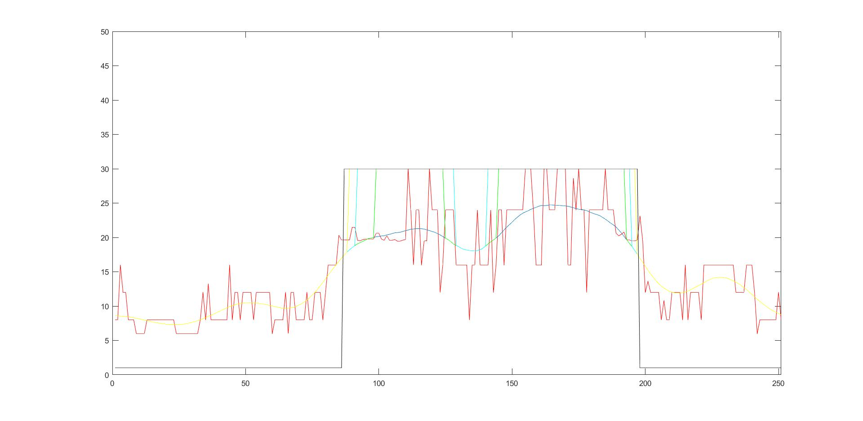
6 | 0
6 | 0
6 | 0
6 | 0
6 | 0
6 | 0
6 | 0
6 | 0
6 | 0
8 | 0
12 | 0
8 | 0
13.244000435 | 0
8 | 0
8 | 0
8 | 0
8 | 0
8 | 0
8 | 0
8 | 0
16 | 0
8 | 0
12 | 0
12 | 0
8 | 0
12 | 0
12 | 0
12 | 0
12 | 0
8 | 0
12 | 0
12 | 0
12 | 0
12 | 0
12 | 0
12 | 0
6 | 0
8 | 0
8 | 0
8 | 0
8 | 0
12 | 0
6 | 0
12 | 0
12 | 0
8 | 0
8 | 0
8 | 0
8 | 0
12 | 0
8 | 0
8 | 0
12 | 0
12 | 0
12 | 0
8 | 0
12 | 0
16 | 0
16 | 0
16 | 0
16 | 0
20.326000214 | 0
19.611000061 | 0
19.625999451 | 1
19.63999939 | 1
19.63999939 | 1
21.472999573 | 1
21.493000031 | 1
19.576000214 | 1
19.517999649 | 1
19.691999435 | 1
19.746999741 | 1
19.76099968 | 1
19.745000839 | 1
19.770000458 | 1
20.604000092 | 1
20.607000351 | 1
19.760000229 | 1
19.586999893 | 1
20.246999741 | 1
19.593000412 | 1
19.593999863 | 1
19.690999985 | 1
19.454999924 | 1
19.468999863 | 1
19.6060009 | 1
19.694000244 | 1
30 | 1
24 | 1
16 | 1
24 | 1
24 | 1
16 | 1
19.483999252 | 1
19.517000198 | 1
30 | 1
24 | 1
24 | 1
24 | 1
12 | 1
16 | 1
24 | 1
24 | 1
24 | 1
24 | 1
16 | 1
16 | 1
16 | 1
16 | 1
16 | 1
8 | 1
16 | 1
16 | 1
24 | 1
16 | 1
16 | 1
16 | 1
16 | 1
24 | 1
12 | 1
16 | 1
24 | 1
24 | 1
16 | 1
24 | 1
24 | 1
24 | 1
24 | 1
24 | 1
24 | 1
24 | 1
30 | 1
30 | 1
30 | 1
24 | 1
16 | 1
16 | 1
16 | 1
30 | 1
30 | 1
24 | 1
24 | 1
24 | 1
30 | 1
30 | 1
30 | 1
30 | 1
16 | 1
16 | 1
28.61700058 | 1
24 | 1
30 | 1
24 | 1
24 | 1
12 | 1
24 | 1
24 | 1
24 | 1
24 | 1
24 | 1
24 | 1
30 | 1
24 | 1
24 | 1
24 | 1
20.621999741 | 1
20.233999252 | 1
20.447000504 | 1
20.799999237 | 1
19.650999069 | 1
19.656000137 | 1
19.479000092 | 1
19.490999222 | 1
19.628000259 | 1
23.1439991 | 0
19.618000031 | 0
12 | 0
13.604999542 | 0
12 | 0
12 | 0
12 | 0
12 | 0
8 | 0
10.819000244 | 0
8 | 0
8 | 0
12 | 0
12 | 0
12 | 0
12 | 0
8 | 0
16 | 0
8 | 0
12 | 0
12 | 0
12 | 0
12 | 0
8 | 0
16 | 0
16 | 0
16 | 0
16 | 0
16 | 0
16 | 0
16 | 0
16 | 0
16 | 0
16 | 0
16 | 0
16 | 0
12 | 0
12 | 0
12 | 0
12 | 0
16 | 0
16 | 0
16 | 0
12 | 0
6 | 0
8 | 0
8 | 0
8 | 0
8 | 0
8 | 0
8 | 0
8 | 0
12 | 0
8 | 0

GPS4
Raw | Flags
8 | 0 | GPS Eval. | Building name: | Adelheid Str 13 A
30 | 0 |  | GPS 4
16 | 0
16 | 0
16 | 0
16 | 0
16 | 0
16 | 0
16 | 0
16 | 0 |  | n=302 |  | indoor | outdoor | SUM
16 | 0 |  |  |  | T | F
6 | 0 |  | indoor | T | 146 | 1 | 147
6 | 0 |  | outdoor | F | 1 | 154 | 155
6 | 0 |  | SUM |  | 147 | 155
6 | 0 |  |  |  |  |  |  | sum | 302
6 | 0
6 | 0
8 | 0 |  | Accuracy indoor | 99.319727891
8 | 0 |  | Accuracy outdoor | 99.35483871
8 | 0
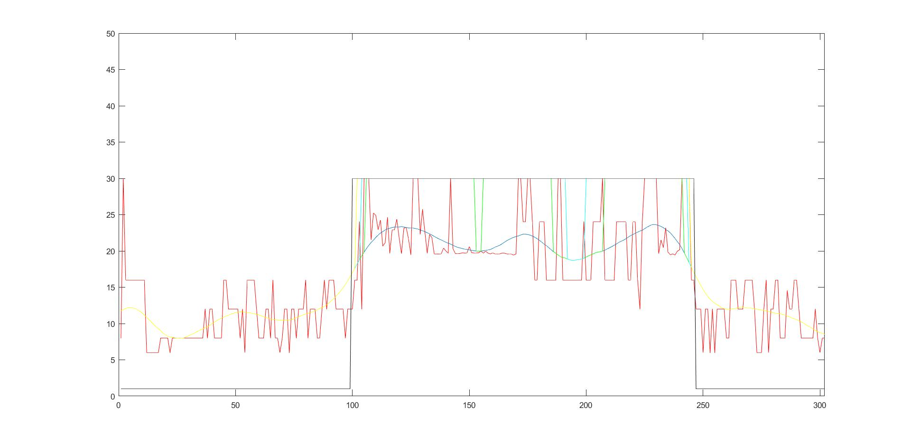
8 | 0
6 | 0
8 | 0
8 | 0
8 | 0
8 | 0
8 | 0
8 | 0
8 | 0
8 | 0
8 | 0
8 | 0
8 | 0
8 | 0
8 | 0
8 | 0
12 | 0
8 | 0
12 | 0
12 | 0
8 | 0
8 | 0
8 | 0
8 | 0
16 | 0
16 | 0
12 | 0
12 | 0
12 | 0
12 | 0
12 | 0
8 | 0
12 | 0
6 | 0
16 | 0
16 | 0
16 | 0
16 | 0
12 | 0
8 | 0
8 | 0
8 | 0
12 | 0
12 | 0
8 | 0
16 | 0
8 | 0
8 | 0
6 | 0
8 | 0
12 | 0
12 | 0
6 | 0
12 | 0
12 | 0
8 | 0
12 | 0
12 | 0
12 | 0
16 | 0
8 | 0
12 | 0
12 | 0
12 | 0
8 | 0
8 | 0
12 | 0
16 | 0
12 | 0
16 | 0
16 | 0
16 | 0
12 | 0
12 | 0
12 | 0
12 | 0
8 | 0
12 | 0
12 | 0
12 | 1
16 | 1
16 | 1
24 | 1
12 | 1
30 | 1
30 | 1
30 | 1
21.531999588 | 1
25.226999283 | 1
24.903999329 | 1
22.930999756 | 1
24.25 | 1
20.666000366 | 1
21.118000031 | 1
24.594999313 | 1
19.711000443 | 1
22.933000565 | 1
22.934000015 | 1
24.372999191 | 1
21.777999878 | 1
19.631999969 | 1
23.135000229 | 1
23.25 | 1
21.652999878 | 1
19.49200058 | 1
30 | 1
30 | 1
30 | 1
22.319999695 | 1
25.716999054 | 1
22.635000229 | 1
19.709999084 | 1
22.260000229 | 1
21.846000671 | 1
19.599000931 | 1
19.561000824 | 1
19.580999374 | 1
19.607000351 | 1
20.416000366 | 1
19.982000351 | 1
19.707000732 | 1
30 | 1
20.340000153 | 1
19.652999878 | 1
19.615999222 | 1
19.645999908 | 1
19.74200058 | 1
19.708999634 | 1
19.732000351 | 1
20.61000061 | 1
19.760000229 | 1
19.732000351 | 1
19.73500061 | 1
19.749000549 | 1
19.982999802 | 1
19.700000763 | 1
19.976999283 | 1
19.704999924 | 1
19.593999863 | 1
19.73800087 | 1
19.600000381 | 1
19.593999863 | 1
19.600999832 | 1
19.694000244 | 1
19.695999146 | 1
19.601999283 | 1
19.542999268 | 1
19.555000305 | 1
19.443000793 | 1
19.586000443 | 1
30 | 1
30 | 1
24 | 1
24 | 1
30 | 1
30 | 1
24 | 1
16 | 1
16 | 1
24 | 1
24 | 1
24 | 1
16 | 1
16 | 1
16 | 1
16 | 1
16 | 1
30 | 1
30 | 1
16 | 1
16 | 1
16 | 1
16 | 1
16 | 1
16 | 1
16 | 1
16 | 1
16 | 1
24 | 1
16 | 1
16 | 1
16 | 1
24 | 1
24 | 1
24 | 1
24 | 1
30 | 1
16 | 1
16 | 1
16 | 1
16 | 1
16 | 1
24 | 1
24 | 1
24 | 1
24 | 1
24 | 1
16 | 1
16 | 1
24 | 1
24 | 1
16 | 1
12 | 1
24 | 1
30 | 1
30 | 1
30 | 1
30 | 1
30 | 1
30 | 1
19.649000168 | 1
21.523000717 | 1
20.459999084 | 1
23.195999146 | 1
19.837999344 | 1
19.472999573 | 1
19.600000381 | 1
19.448999405 | 1
19.969999313 | 1
20.170000076 | 1
30 | 1
30 | 1
30 | 1
30 | 1
16 | 1
16 | 1
12 | 0
12 | 0
12 | 0
6 | 0
12 | 0
12 | 0
6 | 0
12 | 0
6 | 0
12 | 0
12 | 0
12 | 0
12 | 0
8 | 0
8 | 0
16 | 0
16 | 0
16 | 0
12 | 0
12 | 0
12 | 0
16 | 0
16 | 0
16 | 0
16 | 0
12 | 0
6 | 0
6 | 0
6 | 0
12 | 0
16 | 0
6 | 0
12 | 0
12 | 0
16 | 0
16 | 0
8 | 0
8 | 0
8 | 0
14.543999672 | 0
12 | 0
12 | 0
16 | 0
16 | 0
12 | 0
8 | 0
8 | 0
8 | 0
8 | 0
8 | 0
8 | 0
12 | 0
8 | 0
6 | 0
8 | 0
8 | 0

